Blad1
 |  |  |  | Explanation of extra features
 |  |  |  | and how you use "Calculator of
 |  |  |  | attached load"

Enter your various dimensions in millimeters (length, width and edge height) in the
boxes for the different feeding trays to get the weight for each tray, if you like you
can jump between the boxes with the tab key or the arrow keys.

For extra features you enter the number you need to get the weight.

When all this is done you have got your total load up on the conveyor.

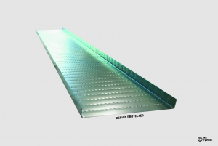
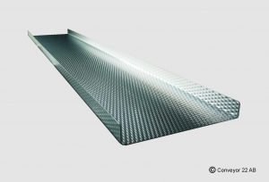

Feeding Tray RC22 |  |  |  |  | Feeding Tray CS5

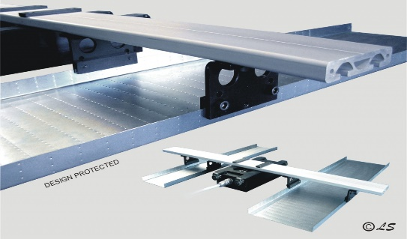

Tray Fastener |  |  |  |  | Inverted Tray Fastener, pair

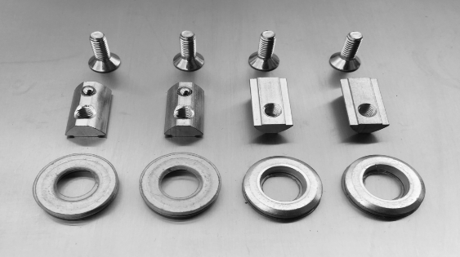
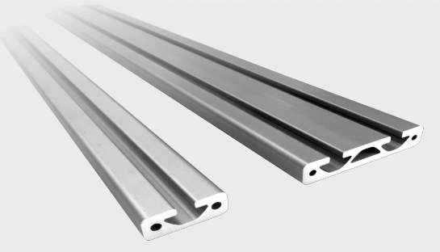

Tray Fastener T-slot |  |  |  |  | Bar

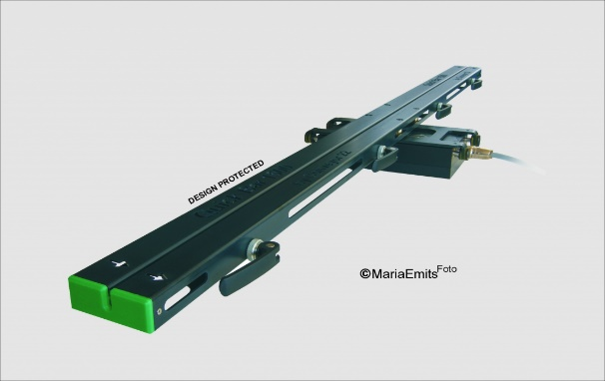

Bar Fastener, pair |  |  |  |  | Quick Bar 1000/1500/2000

 |  |  |  | Calculator of attached load

FEEDING TRAY | Length (mm) |  | Width (mm) |  |  | Edge height (mm) | Weigth kg

RC22 |  | x |  |  | 2 x |  | -
RC22 |  | x |  |  | 2 x |  | -
RC22 |  | x |  |  | 2 x |  | -
RC22 |  | x |  |  | 2 x |  | -
RC22 |  | x |  |  | 2 x |  | -
CS5 0,6 mm |  | x |  |  | 2 x |  | -
CS5 0,6 mm |  | x |  |  | 2 x |  | -
CS5 0,6 mm |  | x |  |  | 2 x |  | -
CS5 0,6 mm |  | x |  |  | 2 x |  | -
CS5 0,8 mm |  | x |  |  | 2 x |  | -
CS5 0,8 mm |  | x |  |  | 2 x |  | -
CS5 0,8 mm |  | x |  |  | 2 x |  | -
CS5 0,8 mm |  | x |  |  | 2 x |  | -
CS5 1,0 mm |  | x |  |  | 2 x |  | -
CS5 1,0 mm |  | x |  |  | 2 x |  | -
Your own

EXTRA FEATURES | Pieces

Tray Fastener, pair |  |  |  |  |  |  | -
Inverted Tray Fastener, pair |  |  |  |  |  |  | -
Tray Fastener T-slot |  |  |  |  |  |  | -
Bar, in mm |  |  |  |  |  |  | -
Bar Fastener, pair |  |  |  |  |  |  | -
Quick Bar 1000 |  |  |  |  |  |  | -
Quick Bar 1500 |  |  |  |  |  |  | -
Quick Bar 2000 |  |  |  |  |  |  | -
Other accessories

 |  |  |  |  |  | Total load: | -

 |  |  | Feel free to contact us +46 454-432 21
 |  |  | Anne-Maj Öström +46 722-49 66 05
 |  |  | Lars Sandberg +46 722-49 66 01

